HOME PAGE
 |  |  |  | OBJECTIVES

WORLD HAPPINESS REPORT

 |  |  |  | DATA SETS


 | INT-217 FINAL PROJECT

 |  |  |  | CATEGORICAL ANALYSIS
 |  | BY, | GIRISH KUMAR SHARMA

 |  |  | 11909037

 |  |  | KM004
 |  |  |  | YEAR WISE ANALYSIS
 |  |  | RK0109A25

 |  |  |  | PIVOT TABLES

OBJECTIVES
WORLD HAPPINESS REPORT

Objectives

 | Categorical analysis of all the contineNTS |  | 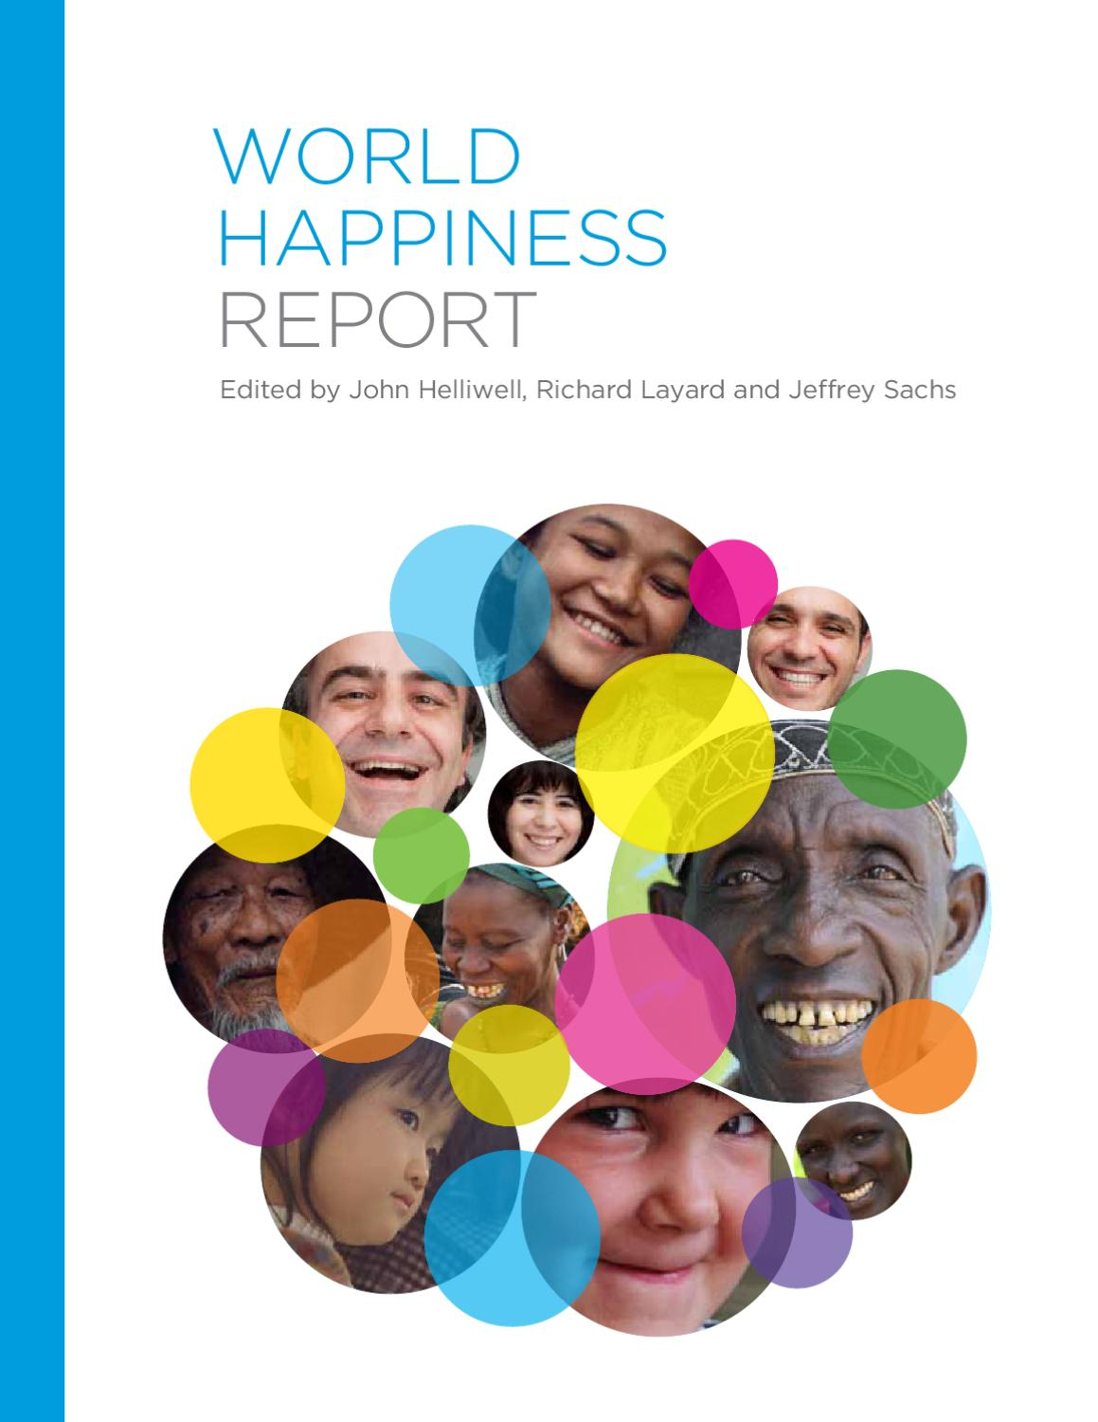

 |  | CHANGE IN happiness score year wise
 |  | CHANGE IN generosity score year wise
 |  | CHANGE IN of social support
 |  | CHANGE IN of perception on corruption

 | year wise analysis of all components of happiness report

 |  | year wise analysis of freedom to decide
 |  | year wise analysis of happiness rank
 |  | year wise analysis of gdp per capita
 |  | year wise analysis of healthy life expectancy

CATEGORICAL ANALYSIS
CATEGORICAL ANALYSIS OF CONTINENTS

CATEGORY COUNT CONTINENT WISE
 | Total
AFRICA | 6.48%
AMERICAS | 27.53%
ASIA | 30.36%
EUROPE | 35.63%
AVERAGE OF HAPPINESS SCORE
 | Total
AFRICA | 5.67833125
AMERICAS | 5.8821161765
ASIA | 5.7821266667
EUROPE | 5.7826863636
AVERAGE OF SOCIAL SUPPORT
 | Total
AFRICA | 1.06878125
AMERICAS | 1.0686264706
ASIA | 1.117096
EUROPE | 1.1536522727
RANK CATEGORY DESCRIPTION

CATEGORY | RANK RANGE

A | (1-40)

B | (40-78)

C | (79-117)

D | (117-157)

AVERAGE PERCEPTIONS ON CORRUPTIONS
 | Total
AFRICA | 0.28852727273
AMERICAS | 0.28869573171
ASIA | 0.30238976898
EUROPE | 0.29177121771
OCEANIA | 0.34951428571
AVERAGE GDP PER CAPITA
 | Total
AFRICA | 0.49895
AMERICAS | 0.60987941176
ASIA | 0.57047066667
EUROPE | 0.4722875

YEAR WISE ANALYSIS
YEAR WISE ANALYSIS OF EACH COUNTRY OF ALL HAPPINESS TERMS

 | FREEDOM TO DECIDE
2015 | 0.6656
2015 | 0.6288
2015 | 0.6494
2015 | 0.6697
2015 | 0.633
2015 | 0.6417
2015 | 0.6158
2015 | 0.6598
2015 | 0.6394
2015 | 0.6512
2015 | 0.4132
2015 | 0.6338
2015 | 0.6243
2015 | 0.4818
2015 | 0.546
2015 | 0.4905
2015 | 0.6158
2015 | 0.6178
2015 | 0.5845
2015 | 0.6416
2015 | 0.5962
2015 | 0.6327
2015 | 0.4291
2015 | 0.5425
2015 | 0.5421
2015 | 0.6148
2015 | 0.4413
2015 | 0.6404
2015 | 0.5501
2015 | 0.4497
2015 | 0.4636
2015 | 0.6036
2015 | 0.5347
2015 | 0.5566
2015 | 0.3105
2015 | 0.4595
2015 | 0.6037
2015 | 0.3974
2015 | 0.555
2015 | 0.5966
2015 | 0.5588
2015 | 0.4035
2015 | 0.5773
2015 | 0.6582
2015 | 0.3175
2015 | 0.4962
2015 | 0.4857
2015 | 0.4549
2015 | 0.2624
2015 | 0.5741
...
 | GENEROSITY
2015 | 0.2968
2015 | 0.4363
2015 | 0.3414
2015 | 0.347
2015 | 0.4581
2015 | 0.2335
2015 | 0.4761
2015 | 0.3626
2015 | 0.475
2015 | 0.4356
2015 | 0.3317
2015 | 0.255
2015 | 0.3309
2015 | 0.1407
2015 | 0.4011
2015 | 0.1457
2015 | 0.2803
2015 | 0.459
2015 | 0.2225
2015 | 0.2643
2015 | 0.5191
2015 | 0.2154
2015 | 0.0584
2015 | 0.3111
2015 | 0.2443
2015 | 0.2821
2015 | 0.3336
2015 | 0.3257
2015 | 0.1233
2015 | 0.1145
2015 | 0.1069
2015 | 0.2324
2015 | 0.184
2015 | 0.5763
2015 | 0.1371
2015 | 0.1823
2015 | 0.5175
2015 | 0.2538
2015 | 0.1623
2015 | 0.1699
2015 | 0.3184
2015 | 0.1069
2015 | 0.2749
2015 | 0.2284
2015 | 0.1689
2015 | 0.1071
2015 | 0.1154
2015 | 0.1736
2015 | 0.2282
2015 | 0.2054
...
 | TERMS DEFINATIONS

 | FREEDOM TO DECIDE | WHETHER INDIVIDUALS SATISFIED TO MAKE THEIR LIFE CHOICES

 | HAPPINESS RANK | RANK OF COUNTRY AFTER CONSIDERING ALL THE FACTORS

 | PERCEPTIONS ON CORRUPTION
2015 | 0.4198
2015 | 0.1415
2015 | 0.4836
2015 | 0.365
2015 | 0.3296
2015 | 0.4137
2015 | 0.3181
2015 | 0.4384
2015 | 0.4292
2015 | 0.3564
2015 | 0.0779
2015 | 0.1058
2015 | 0.1868
2015 | 0.2131
2015 | 0.1589
2015 | 0.1752
2015 | 0.378
2015 | 0.287
2015 | 0.2254
2015 | 0.3858
2015 | 0.3207
2015 | 0.3252
2015 | 0.1107
2015 | 0.4921
2015 | 0.0927
2015 | 0.2184
2015 | 0.1287
2015 | 0.5221
2015 | 0.2065
2015 | 0.0848
2015 | 0.0265
2015 | 0.2456
2015 | 0.0512
2015 | 0.0319
2015 | 0.3252
2015 | 0.064
2015 | 0.1359
2015 | 0.0813
2015 | 0.2561
2015 | 0.1363
2015 | 0.0114
2015 | 0.1178
2015 | 0.0947
2015 | 0.3083
2015 | 0.0343
2015 | 0.1806
2015 | 0.1809
2015 | 0.306
2015 | 0.029
2015 | 0.088
...
 | GDP PER CAPITA
2015 | 1.3965
2015 | 1.3023
2015 | 1.3255
2015 | 1.459
2015 | 1.3263
2015 | 1.2902
2015 | 1.3294
2015 | 1.3317
2015 | 1.2502
2015 | 1.3336
2015 | 1.2286
2015 | 0.9558
2015 | 1.3372
2015 | 1.0205
2015 | 1.3945
2015 | 0.9812
2015 | 1.5639
2015 | 1.336
2015 | 1.3078
2015 | 1.4273
2015 | 1.2664
2015 | 1.3601
2015 | 1.0442
2015 | 1.5219
2015 | 1.0635
2015 | 1.3279
2015 | 1.1072
2015 | 1.6904
2015 | 1.2778
2015 | 1.0535
2015 | 1.179
2015 | 1.0617
2015 | 0.9186
2015 | 0.9669
2015 | 1.3954
2015 | 1.2301
2015 | 1.2074
2015 | 1.291
2015 | 1.5542
2015 | 0.9953
2015 | 1.2118
2015 | 0.7645
2015 | 0.7455
2015 | 0.6324
2015 | 1.1689
2015 | 1.2707
2015 | 0.864
2015 | 1.3238
2015 | 1.2511
2015 | 0.6813
...
 | HEALTHY LIFE EXPECTANCY
2015 | 0.9414
2015 | 0.9478
2015 | 0.8746
2015 | 0.8852
2015 | 0.9056
2015 | 0.8891
2015 | 0.8928
2015 | 0.9109
2015 | 0.9084
2015 | 0.9316
2015 | 0.9139
2015 | 0.8603
2015 | 0.8904
2015 | 0.8144
2015 | 0.8618
2015 | 0.697
2015 | 0.9189
2015 | 0.8953
2015 | 0.8967
2015 | 0.8093
2015 | 0.9094
2015 | 0.7628
2015 | 0.7205
2015 | 1.0252
2015 | 0.7966
2015 | 0.8919
2015 | 0.8586
2015 | 0.7973
2015 | 0.9458
2015 | 0.7872
2015 | 0.8448
2015 | 0.8116
2015 | 0.6908
2015 | 0.7385
2015 | 0.7202
2015 | 0.9556
2015 | 0.8872
2015 | 0.8753
2015 | 0.7249
2015 | 0.6082
2015 | 0.6148
2015 | 0.6774
2015 | 0.6443
2015 | 0.5977
2015 | 0.789
2015 | 0.9911
2015 | 0.7907
2015 | 0.7472
2015 | 0.9545
2015 | 0.5392
...
 | GENEROSITY | WHETHER INDIVIDUALS DONATED FOR CHARITY PAST MONTH

 | PERCEPTIONS ON CORRUPTION | HOW CORRUPTION IS SPREAD IN OVERALL GOVERNMENT

 | GDP PER CAPITA | NATIONAL INCOME PER PERSON

 | HEALTHY LIFE EXPECTANCY | THE LIFE EXPECTED TO BE LIVED HEALTHILY

